Read me
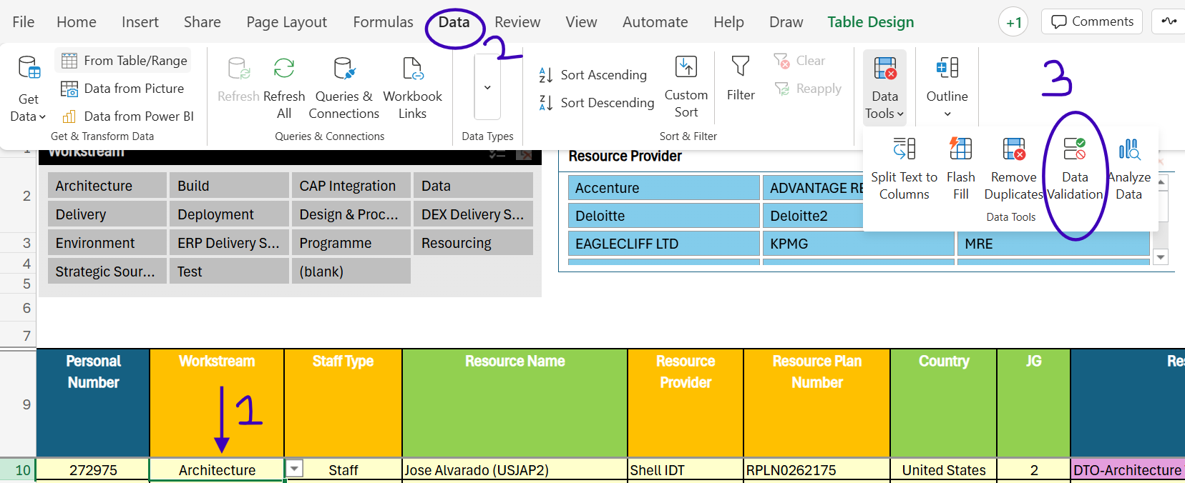
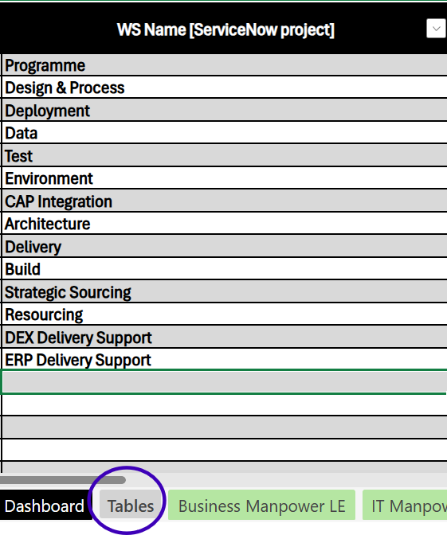
Page Level Info
Pages | Information | Connected to the Dashboard | DO NOT EDIT,DELETE ANY FORMULAS. IF IT IS NEEDED PLEASE INFORM THE DEVELOPER
Resource Static | Static Page to Capture Manpower LE details | No
$Dashboard | Overview of Planned vs Actual monthly and Total views Data is fetched from IT Manpower LE and Other LE tabs - Update these tabs to view the correct information | No
Business Manpower LE | Manpower LE details captured and maintained by business | No
IT Manpower LE | Manpower LE details connected to the Power BI dashboard | Yes
Other LE | Non-Resource details connected to the Power BI dashboard | Yes
Tables | Contains the columns connected to the dropdowns used in the following columns: 1. Workstream - All pages 2. Cost Type - Other LE 3. Rate Concat - Resource Static, Business & IT Manpower LE 4. Variance Reasons - Resource Static, Business & IT Manpower LE | Yes

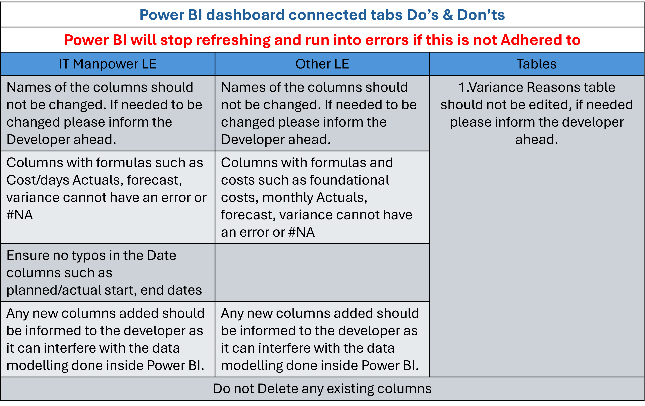

Updating dropdowns example
As shown in the image below: To find out the source of the dropdowns - Click on the cell > Click on Data > Click on Data Validation, this will navigate to the source column where any editing, addition, deletion needed in the dropdown should be done in the destinaion as shown in image 2 only then it will reflect in the column dropdown

